Indices

 | Iraq Stock Exchange
 | Bulletin No (82)
 | ISX Trading Indices of Monday 11/5/2026

 | Traded Volume and OTC |  | 1,018,819,295 |  | Traded Value and OTC |  | 1,217,219,184 |  | Traders | 1182

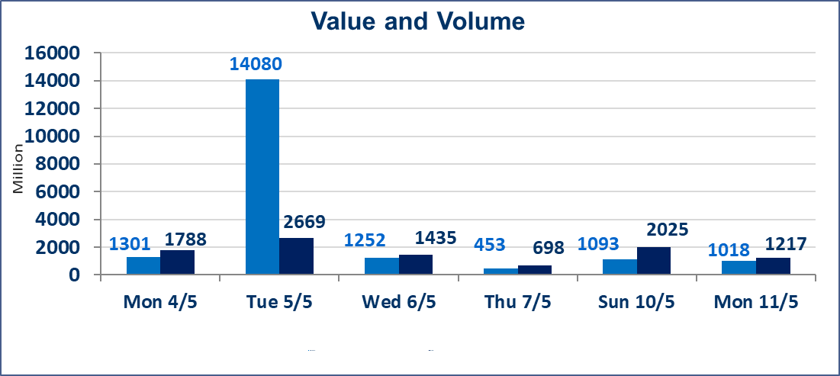
 | ISX Index 60 |  |  | 958.05 | ISX Index 15 |  |  | 1247.19
 | Previous ISX Index60 |  |  | 956.65 | Previous ISX Index15 |  |  | 1246.20
 | Change % |  |  | 0.15 | Change % |  |  | 0.08
 | Change |  |  | 1.40 | Change |  |  | 0.99

 | Listed Companies | 104 | OTC | 14 | Non Traded listed | 49 | OTC | 13
 | Traded Listed Companies | 44 | OTC | 1 | Higher Companies |  |  | 13
 | GAM Companies |  |  | 3 | Lower Companies |  |  | 8
 | Suspended Companies |  |  | 8
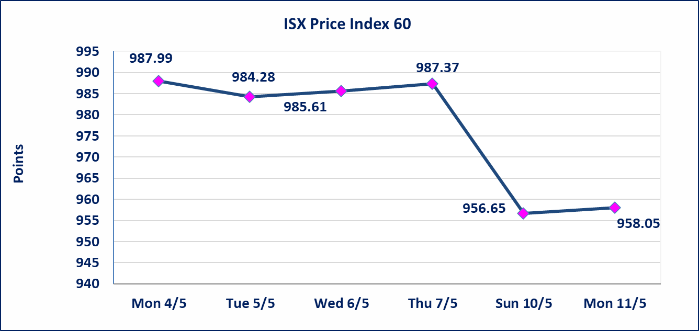
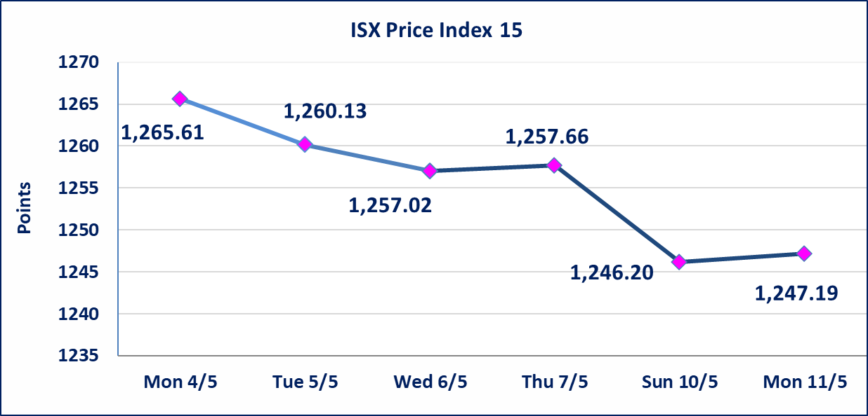

Al-Alwiya P.O . 3607 Mobile: 07711211522 - 07270094594 - 07834000034 E-mail: info-isx@isx-iq.net Web site:www.isx-iq.net

Top 5
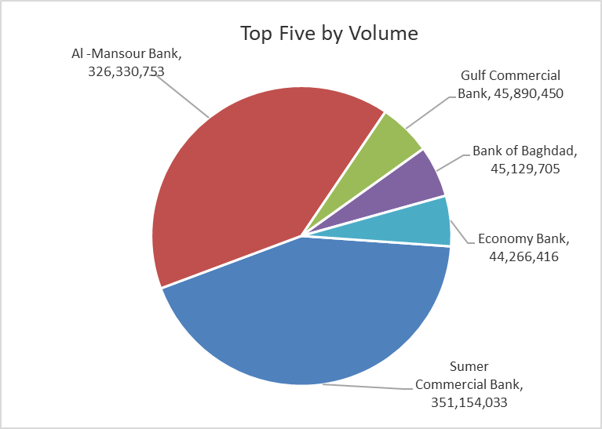
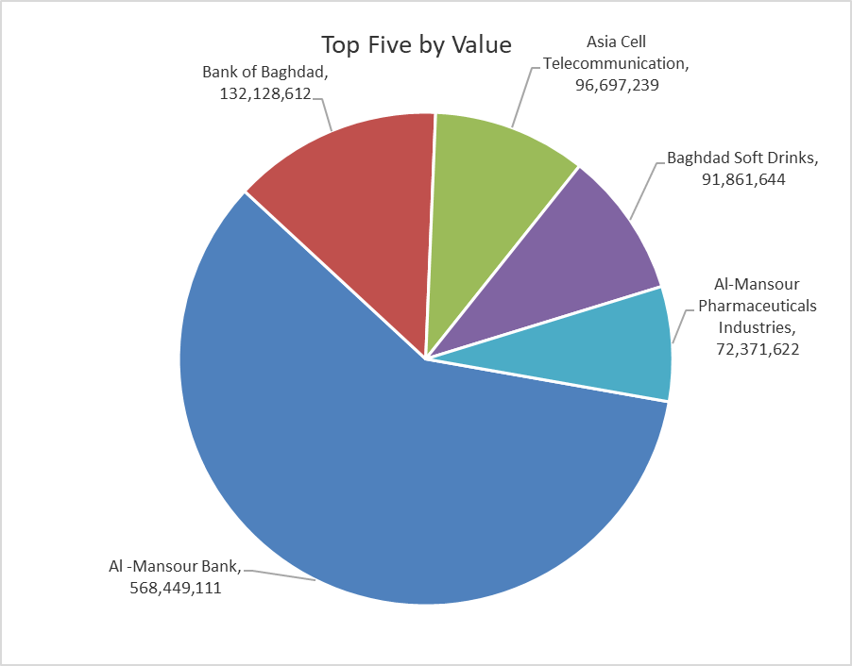

ISX top ganing and losing companies
Monday 11/5/2026
 | Gainers |  |  |  | Losers
 | Company Name | Closing Price | Change (%) | Traded Volume | Company Name | Closing Price | Change (%) | Traded Volume
 | AL-Badia for General Trans | 1.370 | 4.58 | 2,286,491 | Modern Construction Materials | 1.250 | -3.85 | 326,296
 | Economy Bank | 0.240 | 4.35 | 44,266,416 | Al-Khatam Telecom | 3.700 | -2.63 | 349,887
 | Babil Animal & Vegetable Production | 9.890 | 4.11 | 1,524 | Palestine Hotel | 18.250 | -1.62 | 1,805,819
 | Ashur International Bank | 0.260 | 4.00 | 11,285,210 | Electronic Industry | 1.440 | -0.69 | 270,000
 | Fallujah for construction Materials | 2.990 | 3.46 | 8,683,256 | Bank of Baghdad | 2.930 | -0.34 | 45,129,705
 | The most active companies in term of traded volume and value

 | Traded Volume |  |  |  | Traded Value
 | Company Name | Closing Price | Change (%) | Traded Volume | Company Name | Closing Price | Change (%) | Traded Value
 | Sumer Commercial Bank | 0.200 | 0.00 | 351,154,033 | Al -Mansour Bank | 1.750 | 0.57 | 568,449,111
 | Al -Mansour Bank | 1.750 | 0.57 | 326,330,753 | Bank of Baghdad | 2.930 | -0.34 | 132,128,612
 | Gulf Commercial Bank | 0.340 | 0.00 | 45,890,450 | Asia Cell Telecommunication | 16.990 | 0.24 | 96,697,239
 | Bank of Baghdad | 2.930 | -0.34 | 45,129,705 | Baghdad Soft Drinks | 6.180 | -0.32 | 91,861,644
 | Economy Bank | 0.240 | 4.35 | 44,266,416 | Al-Mansour Pharmaceuticals Industries | 2.440 | 1.24 | 72,371,622

Non Iraqis

Iraq Stock Exchange
Non Iraqis' Bulletin Monday May 11 2026
Regular Market

Non Iraqi Trading of Regular Market (Buy)
Company Names | Code | No.of trades | Traded Shares | Trading Volume
Banks Sector
Bank Of Baghdad | BBOB | 6 | 1,157,554 | 3,407,896
National Bank Of Iraq | BNOI | 7 | 500,000 | 1,956,017
Total Bank sector |  | 13 | 1,657,554 | 5,363,912
Grand Total |  | 13 | 1,657,554 | 5,363,912

Non Iraqi Trading of Regular Market (Sell)
Company Names | Code | No.of trades | Traded Shares | Trading Volume
Banks Sector
Bank Of Baghdad | BBOB | 1 | 29,000 | 84,390
Total Bank sector |  | 1 | 29,000 | 84,390
Grand Total |  | 1 | 29,000 | 84,390
Non Iraqi Trading of Undisclosed Platform (Sell)
Company Names | Code | No.of trades | Traded Shares | Trading Volume
Industry Sector
Modern Construction Materials | IMCM | 1 | 300,000 | 375,000
Total Industry sector |  | 1 | 300,000 | 375,000
Grand Total |  | 1 | 300,000 | 375,000

Not Trading Bonds

Iraq Stock Exchange
Monday 11/5/2026
Not Trading Bonds Bulletin
Bond type | Publish type | Code | last trading price | immortilize date
Banaa Bonds /Million ID | Second | CB20 | 964,981 | 19/12/2025
Eamar Bonds /Million ID | First | CB30 | 1,001,095 | ــــــــــــــــ
Eamar Bonds /Million ID | Second | CB40 | ــــــــــــــــ | ــــــــــــــــ
Eamar Bonds /500 Thousand ID | Third | CB45 | ــــــــــــــــ | ــــــــــــــــ
Eamar Bonds /Million ID | Third | CB50 | ــــــــــــــــ | ــــــــــــــــ
Injaz Bonds /500 Thousand ID | First | CB55 | ــــــــــــــــ | ــــــــــــــــ
Injaz Bonds /Million ID | First | CB60 | 951,110 | ــــــــــــــــ
Injaz Bonds /500 Thousand ID | Second | CB65 | 507,301 | ــــــــــــــــ
Injaz Bonds /Million ID | Second | CB70 | 965,050 | ــــــــــــــــ
Injaz Bonds /500 Thousand ID | Third | CB75 | ــــــــــــــــ | ــــــــــــــــ
Injaz Bonds /Million ID | Third | CB80 | 978,182 | ــــــــــــــــ
National Bonds/Million ID | First | CB90 | ــــــــــــــــ | ــــــــــــــــ
National Bonds/500 Thousand ID | Second | CB95 | ــــــــــــــــ | ــــــــــــــــ
National Bonds/Million ID | Second | CB100 | ــــــــــــــــ | ــــــــــــــــ

